Hoja1
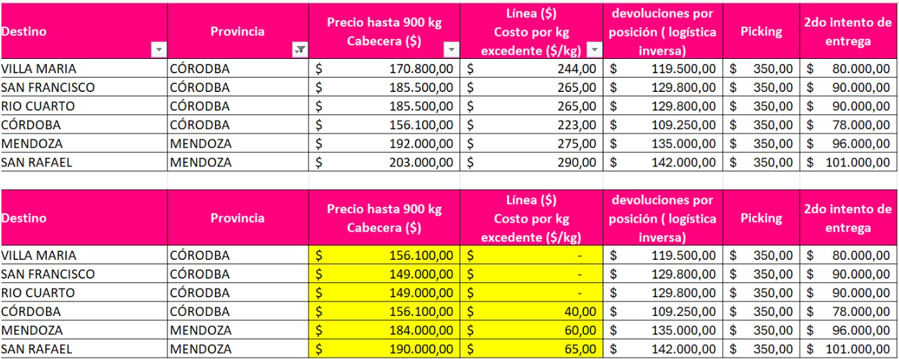
RUTA | PROVINCE | CITY FOS | TRANSPORT ZONE | Hasta 900Kg | Precio x KG
COR | Cordoba | Alta Gracia | AR00CB1001
COR | Cordoba | B.Villa Cabrera | AR00CB1004
COR | Cordoba | Camino Colonia Tirolesa | AR00CB1006
COR | Cordoba | Cordoba | AR00CB1008
COR | Cordoba | Salsipuedes | AR00CB1016
COR | Cordoba | Rio Cuarto | AR00CB1017
COR | Cordoba | Rio Tercero | AR00CB1018
COR | Cordoba | San Francisco | AR00CB1019
COR | Cordoba | Villa Maria | AR00CB1025
COR | Cordoba | Barrio Alto Verde | AR00CB1005
COR | La Rioja | La Rioja | AR00LR1002
CUY | Mendoza | Godoy Cruz | AR00MZ1002
CUY | Mendoza | Guaymallen | AR00MZ1004
CUY | Mendoza | Las Heras | AR00MZ1005
CUY | Mendoza | Mendoza | AR00MZ1007
CUY | Mendoza | San Jose | AR00MZ1009
CUY | Mendoza | San Rafael | AR00MZ1011
CUY | San Juan | San Juan | AR00SJ1001
CUY | San Luis | San luis | AR00SL1001
CUY | San Luis | Villa Mercedes | AR00SL1002
CUY | Mendoza | Lujan de Cuyo | AR00MZ1006
CUY | San Juan | Santa Lucia | AR00SJ1002

